Sheet1 (3)
 |  | central coast
 |  | 0 | 1 | 2 | 3 |  | 0 | 1 | 2 | 3
newcastle | 0 | 0.04675526 | 0.05567472 | 0.03314788 | 0.01315716 | 0 | 0.0714 | 0.0588 | 0.0278 | 0.1250 | -35% | -5% | 19% | -89%
 | 1 | 0.08752861 | 0.10422638 | 0.06205479 | 0.02463098 | 1 | 0.1190 | 0.1220 | 0.0588 | 0.0200 | -26% | -15% | 5% | 23%
 | 2 | 0.08192938 | 0.09755899 | 0.05808512 | 0.02305533 | 2 | 0.1042 | 0.1163 | 0.0645 | 0.0200 | -21% | -16% | -10% | 15%
 | 3 | 0.05112555 | 0.06087874 | 0.03624626 | 0.01438698 | 3 | 0.1613 | 0.0690 | 0.0417 | 0.0167 | -68% | -12% | -13% | -14%

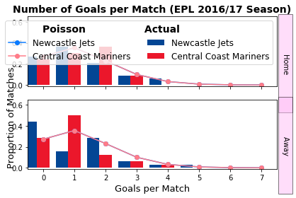
 |  | Home | draw | away |  |  | 0.21739130435
 | betfair | 0.58479532164 | 0.25 | 0.192 | 1.0271030139
 | model | 0.53299 | 0.2256485 | 0.2413615
 |  | -9% | -10% | 26%

 |  | 0.74 | 0.1605 | 0.0995

0.04675526 | 0.05567472 | 0.03314788 | 0.01315716 |  |  |  |  |  |  |  | -35% | -5% | 19% | -89%
0.08752861 | 0.10422638 | 0.06205479 | 0.02463098 |  |  |  |  |  |  |  | -26% | -15% | 5% | 23%
0.08192938 | 0.09755899 | 0.05808512 | 0.02305533 |  |  |  |  |  |  |  | -21% | -16% | -10% | 15%
0.05112555 | 0.06087874 | 0.03624626 | 0.01438698 |  |  |  |  |  |  |  | -68% | -12% | -13% | -14%

Sheet1 (4)
 |  | Mel city
 |  | 0 | 1 | 2 | 3 |  | 0 | 1 | 2 | 3
Perth | 0 | 0.01802019 | 0.03589484 | 0.0357499 | 0.02373703 | 0 | 0.068965517241 | 0.10416666667 | 0.08 | 0.04347826087 | -74% | -66% | -55% | -45%
 | 1 | 0.03647896 | 0.07266332 | 0.0723699 | 0.04805178 | 1 | 0.083333333333 | 0.13888888889 | 0.10638297872 | 0.051282051282 | -56% | -48% | -32% | -6%
 | 2 | 0.03692289 | 0.07354758 | 0.0732506 | 0.04863654 | 2 | 0.05000 | 0.083333333333 | 0.068965517241 | 0.038461538462 | -26% | -12% | 6% | 26%
 | 3 | 0.02491481 | 0.04962841 | 0.049428 | 0.03281894 | 3 | 0.13513513514 | 0.033333333333 | 0.03125 | 0.02 | -82% | 49% | 58% | 64%

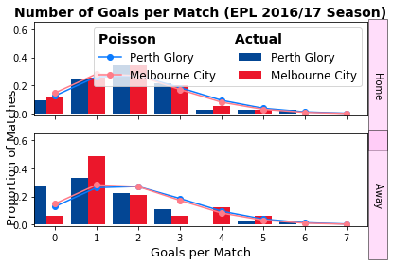
 |  | Home | draw | away |  |  | 0.21739130435
 | betfair | 0.30769230769 | 0.27397260274 | 0.446 | 1.0280934819
 | model | 0.40297 | 0.20652 | 0.39051
 |  | 31% | -25% | -13%

 |  | 0.74 | 0.1605 | 0.0995

0.01802019 | 0.03589484 | 0.0357499 | 0.02373703 |  |  |  |  |  |  |  | -74% | -66% | -55% | -45%
0.03647896 | 0.07266332 | 0.0723699 | 0.04805178 |  |  |  |  |  |  |  | -56% | -48% | -32% | -6%
0.03692289 | 0.07354758 | 0.0732506 | 0.04863654 |  |  |  |  |  |  |  | -26% | -12% | 6% | 26%
0.02491481 | 0.04962841 | 0.049428 | 0.03281894 |  |  |  |  |  |  |  | -82% | 49% | 58% | 64%

Sheet1 (5)
 |  | Wellington
 |  | 0 | 1 | 2 | 3 |  | 0 | 1 | 2 | 3
Mel city | 0 | 0.02489358 | 0.01982211 | 0.00789191 | 0.00209471 | 0 | 0.052631578947 | 0.04347826087 | 0.020833333333 | 0.12820512821 | -53% | -54% | -62% | -98%
 | 1 | 0.07211351 | 0.0574221 | 0.02286186 | 0.0060681 | 1 | 0.11111111111 | 0.10869565217 | 0.051282051282 | 0.016666666667 | -35% | -47% | -55% | -64%
 | 2 | 0.10445177 | 0.08317222 | 0.03311394 | 0.00878925 | 2 | 0.10416666667 | 0.125 | 0.068965517241 | 0.020833333333 | 0% | -33% | -52% | -58%
 | 3 | 0.10086112 | 0.08031307 | 0.0319756 | 0.00848711 | 3 | 0.1724137931 | 0.076923076923 | 0.047619047619 | 0.018181818182 | -42% | 4% | -33% | -53%

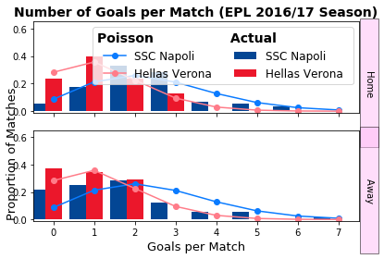
 |  | Home | draw | away |  |  | 0.21739130435
 | betfair | 0.62893081761 | 0.23255813953 | 0.161 | 1.0227792797
 | model | 0.54038 | 0.20838 | 0.25124
 |  | -14% | -10% | 56%

 |  | 0.74 | 0.1605 | 0.0995

0.02489358 | 0.01982211 | 0.00789191 | 0.00209471 |  |  |  |  |  |  |  | -53% | -54% | -62% | -98%
0.07211351 | 0.0574221 | 0.02286186 | 0.0060681 |  |  |  |  |  |  |  | -35% | -47% | -55% | -64%
0.10445177 | 0.08317222 | 0.03311394 | 0.00878925 |  |  |  |  |  |  |  | 0% | -33% | -52% | -58%
0.10086112 | 0.08031307 | 0.0319756 | 0.00848711 |  |  |  |  |  |  |  | -42% | 4% | -33% | -53%

 |  |  |  | 0.029411764706

Sheet1 (6)
 |  | Verona
 |  | 0 | 1 | 2 | 3 |  | 0 | 1 | 2 | 3
napoli | 0 | 0.02489358 | 0.01982211 | 0.00789191 | 0.00209471 | 0 | 0.020833333333 | 0.0090909090909 | 0.0027027027027 | 0.0010101010101 | 19% | 118% | 192% | 107%
 | 1 | 0.07211351 | 0.0574221 | 0.02286186 | 0.0060681 | 1 | 0.068965517241 | 0.037037037037 | 0.010526315789 | 0.0021276595745 | 5% | 55% | 117% | 185%
 | 2 | 0.10445177 | 0.08317222 | 0.03311394 | 0.00878925 | 2 | 0.10638297872 | 0.064516129032 | 0.021739130435 | 0.0041666666667 | -2% | 29% | 52% | 111%
 | 3 | 0.10086112 | 0.08031307 | 0.0319756 | 0.00848711 | 3 | 0.125 | 0.08 | 0.025 | 0.0058823529412 | -19% | 0% | 28% | 44%

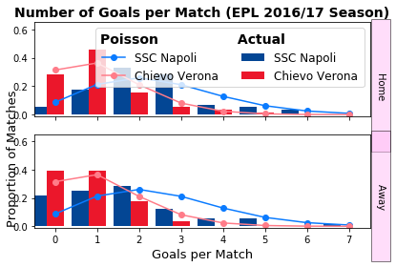
 |  | Home | draw | away |  |  | 0.21739130435
 | betfair | 0.89285714286 | 0.08 | 0.029 | 1.0022689076
 | model | 0.80076 | 0.1252 | 0.07404
 |  | -10% | 57% | 152%

 |  | 0.74 | 0.1605 | 0.0995

0.02489358 | 0.01982211 | 0.00789191 | 0.00209471 |  |  |  |  |  |  |  | 19% | 118% | 192% | 107%
0.07211351 | 0.0574221 | 0.02286186 | 0.0060681 |  |  |  |  |  |  |  | 5% | 55% | 117% | 185%
0.10445177 | 0.08317222 | 0.03311394 | 0.00878925 |  |  |  |  |  |  |  | -2% | 29% | 52% | 111%
0.10086112 | 0.08031307 | 0.0319756 | 0.00848711 |  |  |  |  |  |  |  | -19% | 0% | 28% | 44%

Sheet1 (7)
 |  | Udinese
 |  | 0 | 1 | 2 | 3 |  | 0 | 1 | 2 | 3 |  | 0 | 1
Chievo | 0 | 0.12121848 | 0.10833372 | 0.04840927 | 0.01442122 | 0 | 0.090909090909 | 0.10204081633 | 0.066666666667 | 0.033333333333 | 0 | 33% | 6% | -27% | -57%
 | 1 | 0.14745676 | 0.13178303 | 0.05888766 | 0.01754276 | 1 | 0.090909090909 | 0.13888888889 | 0.090909090909 | 0.038461538462 | 1 | 62% | -5% | -35% | -54%
 | 2 | 0.08968721 | 0.08015403 | 0.03581708 | 0.01066998 | 2 | 0.051282051282 | 0.076923076923 | 0.060606060606 | 0.026315789474 | 2 | 75% | 4% | -41% | -59%
 | 3 | 0.0363668 | 0.03250124 | 0.01452328 | 0.00432652 | 3 | 0.020833333333 | 0.029411764706 | 0.025 | 0.013333333333 | 3 | 75% | 11% | -42% | -68%

 |  | Home | draw | away |  |  | 0.21739130435
 | betfair | 0.3125 | 0.29850746269 | 0.394 | 1.0047082501
 | model | 0.4355 | 0.29345 | 0.27105
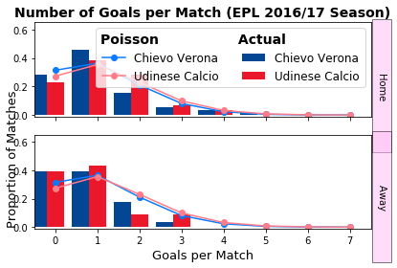
 |  | 39% | -2% | -31%

 |  | 0.74 | 0.1605 | 0.0995

0.12121848 | 0.10833372 | 0.04840927 | 0.01442122 |  |  |  |  |  |  |  |  | 33% | 6% | -27% | -57%
0.14745676 | 0.13178303 | 0.05888766 | 0.01754276 |  |  |  |  |  |  |  |  | 62% | -5% | -35% | -54%
0.08968721 | 0.08015403 | 0.03581708 | 0.01066998 |  |  |  |  |  |  |  |  | 75% | 4% | -41% | -59%
0.0363668 | 0.03250124 | 0.01452328 | 0.00432652 |  |  |  |  |  |  |  |  | 75% | 11% | -42% | -68%

Sheet1 (8)
 |  | Bologna
 |  | 0 | 1 | 2 | 3 |  | 0 | 1 | 2 | 3 |  | 0 | 1
Torino | 0 | 0.08034398 | 0.07189883 | 0.03217068 | 0.00959638 | 0 | 0.076923076923 | 0.066666666667 | 0.038461538462 | 0.014285714286 | 0 | 4% | 8% | -16% | -33%
 | 1 | 0.13068354 | 0.11694708 | 0.05232724 | 0.015609 | 1 | 0.10638297872 | 0.13157894737 | 0.066666666667 | 0.022727272727 | 1 | 23% | -11% | -22% | -31%
 | 2 | 0.1062817 | 0.09511017 | 0.04255645 | 0.01269441 | 2 | 0.086956521739 | 0.10638297872 | 0.057142857143 | 0.02 | 2 | 22% | -11% | -26% | -37%
 | 3 | 0.05762419 | 0.05156717 | 0.02307341 | 0.0068827 | 3 | 0.04347826087 | 0.051282051282 | 0.029411764706 | 0.011111111111 | 3 | 33% | 1% | -22% | -38%

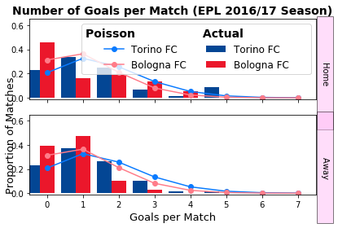
 |  | Home | draw | away |  |  | 0.21739130435
 | betfair | 0.48076923077 | 0.27777777778 | 0.244 | 1.0024494476
 | model | 0.546052 | 0.2473943 | 0.2065537
 |  | 14% | -11% | -15%

 |  | 0.74 | 0.1605 | 0.0995

0.08034398 | 0.07189883 | 0.03217068 | 0.00959638 |  |  |  |  |  |  |  |  | 4% | 8% | -16% | -33%
0.13068354 | 0.11694708 | 0.05232724 | 0.015609 |  |  |  |  |  |  |  |  | 23% | -11% | -22% | -31%
0.1062817 | 0.09511017 | 0.04255645 | 0.01269441 |  |  |  |  |  |  |  |  | 22% | -11% | -26% | -37%
0.05762419 | 0.05156717 | 0.02307341 | 0.0068827 |  |  |  |  |  |  |  |  | 33% | 1% | -22% | -38%

Sheet1 (9)
 |  | Crotone
 |  | 0 | 1 | 2 | 3 |  | 0 | 1 | 2 | 3 |  | 0 | 1
AC milan | 0 | 0.08784277 | 0.05760489 | 0.01888786 | 0.00412871 | 0 | 0.051282051282 | 0.027777777778 | 0.01 | 0.0021276595745 | 0 | 71% | 107% | 89% | 94%
 | 1 | 0.15604689 | 0.10233129 | 0.03355304 | 0.00733439 | 1 | 0.125 | 0.083333333333 | 0.025 | 0.005 | 1 | 25% | 23% | 34% | 47%
 | 2 | 0.1386035 | 0.0908924 | 0.02980238 | 0.00651453 | 2 | 0.15151515152 | 0.10204081633 | 0.03125 | 0.0066666666667 | 2 | -9% | -11% | -5% | -2%
 | 3 | 0.08207333 | 0.05382145 | 0.01764732 | 0.00385754 | 3 | 0.10416666667 | 0.076923076923 | 0.026315789474 | 0.0058823529412 | 3 | -21% | -30% | -33% | -34%

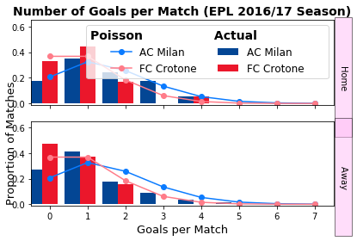
 |  | Home | draw | away |  |  | 0.21739130435
 | betfair | 0.76335877863 | 0.16666666667 | 0.077 | 1.0069485222
 | model | 0.64369 | 0.224128 | 0.132182
 |  | -16% | 34% | 72%

 |  | 0.74 | 0.1605 | 0.0995

0.08784277 | 0.05760489 | 0.01888786 | 0.00412871 |  |  |  |  |  |  |  |  | 71% | 107% | 89% | 94%
0.15604689 | 0.10233129 | 0.03355304 | 0.00733439 |  |  |  |  |  |  |  |  | 25% | 23% | 34% | 47%
0.1386035 | 0.0908924 | 0.02980238 | 0.00651453 |  |  |  |  |  |  |  |  | -9% | -11% | -5% | -2%
0.08207333 | 0.05382145 | 0.01764732 | 0.00385754 |  |  |  |  |  |  |  |  | -21% | -30% | -33% | -34%

Sheet1 (10)
 |  | Real Sociedad
 |  | 0 | 1 | 2 | 3 |  | 0 | 1 | 2 | 3 |  | 0 | 1
Leganes | 0 | 0.11426907 | 0.12640878 | 0.06991909 | 0.02578238 | 0 | 0.1 | 0.11627906977 | 0.071428571429 | 0.03125 | 0 | 14% | 9% | -2% | -17%
 | 1 | 0.12146361 | 0.13436766 | 0.0743213 | 0.02740568 | 1 | 0.10204081633 | 0.14285714286 | 0.086956521739 | 0.035714285714 | 1 | 19% | -6% | -15% | -23%
 | 2 | 0.06455557 | 0.07141382 | 0.03950034 | 0.01456559 | 2 | 0.052631578947 | 0.074074074074 | 0.051282051282 | 0.021739130435 | 2 | 23% | -4% | -23% | -33%
 | 3 | 0.02287336 | 0.02530338 | 0.01399578 | 0.00516089 | 3 | 0.02 | 0.026315789474 | 0.02 | 0.0083333333333 | 3 | 14% | -4% | -30% | -38%

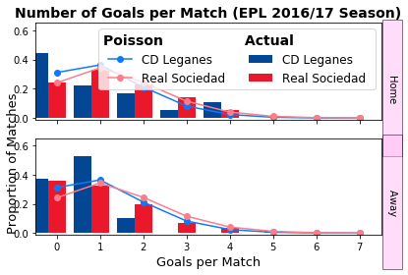
 |  | Home | draw | away |  |  | 0.21739130435
 | betfair | 0.3125 | 0.30303030303 | 0.394 | 1.0092310904
 | model | 0.342195 | 0.293695 | 0.36411
 |  | 10% | -3% | -8%

 |  | 0.74 | 0.1605 | 0.0995

0.11426907 | 0.12640878 | 0.06991909 | 0.02578238 |  |  |  |  |  |  |  |  | 14% | 9% | -2% | -17%
0.12146361 | 0.13436766 | 0.0743213 | 0.02740568 |  |  |  |  |  |  |  |  | 19% | -6% | -15% | -23%
0.06455557 | 0.07141382 | 0.03950034 | 0.01456559 |  |  |  |  |  |  |  |  | 23% | -4% | -23% | -33%
0.02287336 | 0.02530338 | 0.01399578 | 0.00516089 |  |  |  |  |  |  |  |  | 14% | -4% | -30% | -38%

Sheet1 (11)
 |  | Levante
 |  | 0 | 1 | 2 | 3 |  | 0 | 1 | 2 | 3 |  | 0 | 1
Barcelona | 0 | 0.00841155 | 0.00385537 | 0.00088354 | 0.00013499 | 0 | 0.011764705882 | 0.0071428571429 | 0.0021739130435 | 0.001 | 0 | -29% | -46% | -59% | -87%
 | 1 | 0.03633627 | 0.01665445 | 0.00381672 | 0.00058312 | 1 | 0.047619047619 | 0.02380952381 | 0.0076923076923 | 0.0016666666667 | 1 | -24% | -30% | -50% | -65%
 | 2 | 0.07848285 | 0.035972 | 0.00824374 | 0.00125948 | 2 | 0.086956521739 | 1.23 | 1.7 | 0.0035714285714 | 2 | -10% | -97% | -100% | -65%
 | 3 | 0.11301026 | 0.05179737 | 0.01187046 | 0.00181358 | 3 | 0.12195121951 | 0.058823529412 | 0.02 | 0.0045454545455 | 3 | -7% | -12% | -41% | -60%

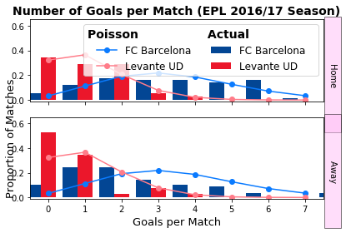
 |  | Home | draw | away |  |  | 0.21739130435
 | betfair | 0.92592592593 | 0.052631578947 | 0.023 | 1.0012847776
 | model | 0.9486 | 0.035 | 0.0164
 |  | 2% | -33% | -28%

 |  | 0.74 | 0.1605 | 0.0995

0.00841155 | 0.00385537 | 0.00088354 | 0.00013499 |  |  |  |  |  |  |  |  | -29% | -46% | -59% | -87%
0.03633627 | 0.01665445 | 0.00381672 | 0.00058312 |  |  |  |  |  |  |  |  | -24% | -30% | -50% | -65%
0.07848285 | 0.035972 | 0.00824374 | 0.00125948 |  |  |  |  |  |  |  |  | -10% | -97% | -100% | -65%
0.11301026 | 0.05179737 | 0.01187046 | 0.00181358 |  |  |  |  |  |  |  |  | -7% | -12% | -41% | -60%

Sheet1 (12)
 |  | Alaves
 |  | 0 | 1 | 2 | 3 |  | 0 | 1 | 2 | 3 |  | 0 | 1
Athetic | 0 | 0.14097273 | 0.10417192 | 0.03848896 | 0.00948048 | 0 | 0.090909090909 | 0.058823529412 | 0.02380952381 | 0.00625 | 0 | 55% | 77% | 62% | 52%
 | 1 | 0.17202028 | 0.12711453 | 0.04696569 | 0.01156845 | 1 | 0.14285714286 | 0.12195121951 | 0.045454545455 | 0.011764705882 | 1 | 20% | 4% | 3% | -2%
 | 2 | 0.10495284 | 0.07755499 | 0.02865466 | 0.00705813 | 2 | 0.11764705882 | 0.1 | 0.04347826087 | 0.010526315789 | 2 | -11% | -22% | -34% | -33%
 | 3 | 0.04268915 | 0.03154518 | 0.01165517 | 0.00287087 | 3 | 0.066666666667 | 0.057142857143 | 0.02380952381 | 0.0071428571429 | 3 | -36% | -45% | -51% | -60%

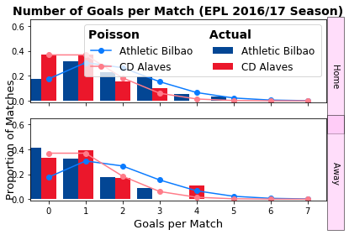
 |  | Home | draw | away |  |  | 0.21739130435
 | betfair | 0.58139534884 | 0.26315789474 | 0.161 | 1.0058435662
 | model | 0.47577 | 0.29978 | 0.22445
 |  | -18% | 14% | 39%

 |  | 0.74 | 0.1605 | 0.0995

0.14097273 | 0.10417192 | 0.03848896 | 0.00948048 |  |  |  |  |  |  |  |  | 55% | 77% | 62% | 52%
0.17202028 | 0.12711453 | 0.04696569 | 0.01156845 |  |  |  |  |  |  |  |  | 20% | 4% | 3% | -2%
0.10495284 | 0.07755499 | 0.02865466 | 0.00705813 |  |  |  |  |  |  |  |  | -11% | -22% | -34% | -33%
0.04268915 | 0.03154518 | 0.01165517 | 0.00287087 |  |  |  |  |  |  |  |  | -36% | -45% | -51% | -60%

Sheet1 (13)
 |  | Deportivo
 |  | 0 | 1 | 2 | 3 |  | 0 | 1 | 2 | 3 |  | 0 | 1
Villarreal | 0 | 0.10286989 | 0.06199192 | 0.01867893 | 0.00375213 | 0 | 0.0625 | 0.047619047619 | 0.021739130435 | 0.0071428571429 | 0 | 65% | 30% | -14% | -47%
 | 1 | 0.17196407 | 0.10362977 | 0.03122492 | 0.0062723 | 1 | 0.11363636364 | 0.10869565217 | 0.045454545455 | 0.014285714286 | 1 | 51% | -5% | -31% | -56%
 | 2 | 0.14373322 | 0.08661717 | 0.02609882 | 0.0052426 | 2 | 0.10638297872 | 0.10638297872 | 0.051282051282 | 0.015384615385 | 2 | 35% | -19% | -49% | -66%
 | 3 | 0.0800913 | 0.04826498 | 0.01454283 | 0.00292129 | 3 | 0.066666666667 | 0.066666666667 | 0.033333333333 | 0.011111111111 | 3 | 20% | -28% | -56% | -74%

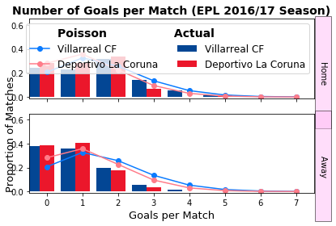
 |  | Home | draw | away |  |  | 0.21739130435
 | betfair | 0.60975609756 | 0.23255813953 | 0.233 | 1.0748723766
 | model | 0.63399 | 0.235711 | 0.130299
 |  | 4% | 1% | -44%

 |  | 0.74 | 0.1605 | 0.0995

0.10286989 | 0.06199192 | 0.01867893 | 0.00375213 |  |  |  |  |  |  |  |  | 65% | 30% | -14% | -47%
0.17196407 | 0.10362977 | 0.03122492 | 0.0062723 |  |  |  |  |  |  |  |  | 51% | -5% | -31% | -56%
0.14373322 | 0.08661717 | 0.02609882 | 0.0052426 |  |  |  |  |  |  |  |  | 35% | -19% | -49% | -66%
0.0800913 | 0.04826498 | 0.01454283 | 0.00292129 |  |  |  |  |  |  |  |  | 20% | -28% | -56% | -74%

Sheet1 (14)
 |  | espanyol
 |  | 0 | 1 | 2 | 3 |  | 0 | 1 | 2 | 3 |  | 0 | 1
Malaga | 0 | 0.09821423 | 0.08601396 | 0.03766461 | 0.01099529 | 0 | 0.1220 | 0.1136 | 0.0588 | 0.0200 | 0 | -19% | -24% | -36% | -45%
 | 1 | 0.14190239 | 0.12427514 | 0.05441878 | 0.01588627 | 1 | 0.1250 | 0.1471 | 0.0741 | 0.0263 | 1 | 14% | -15% | -27% | -40%
 | 2 | 0.10251207 | 0.08977792 | 0.03931281 | 0.01147644 | 2 | 0.0690 | 0.0800 | 0.0476 | 0.0167 | 2 | 49% | 12% | -17% | -31%
 | 3 | 0.04937067 | 0.0432378 | 0.01893338 | 0.00552715 | 3 | 0.0250 | 0.0294 | 0.0167 | 0.0071 | 3 | 97% | 47% | 14% | -23%

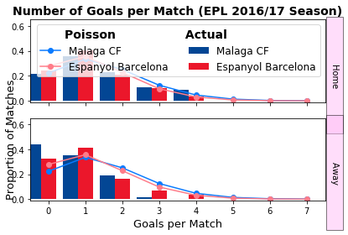
 |  | Home | draw | away |  |  | 0.21739130435
 | betfair | 0.36231884058 | 0.31746031746 | 0.328 | 1.0076480105
 | model | 0.50409 | 0.267789 | 0.228121
 |  | 39% | -16% | -30%

 |  | 0.74 | 0.1605 | 0.0995

0.09821423 | 0.08601396 | 0.03766461 | 0.01099529 |  |  |  |  |  |  |  |  | -19% | -24% | -36% | -45%
0.14190239 | 0.12427514 | 0.05441878 | 0.01588627 |  |  |  |  |  |  |  |  | 14% | -15% | -27% | -40%
0.10251207 | 0.08977792 | 0.03931281 | 0.01147644 |  |  |  |  |  |  |  |  | 49% | 12% | -17% | -31%
0.04937067 | 0.0432378 | 0.01893338 | 0.00552715 |  |  |  |  |  |  |  |  | 97% | 47% | 14% | -23%

